Indices

 | Iraq Stock Exchange
 | Bulletin No (98)
 | ISX Trading Indices of Monday 8/6/2026

 | Traded Volume and OTC |  | 373,254,314 |  | Traded Value and OTC |  | 714,908,990 |  | Traders | 1348

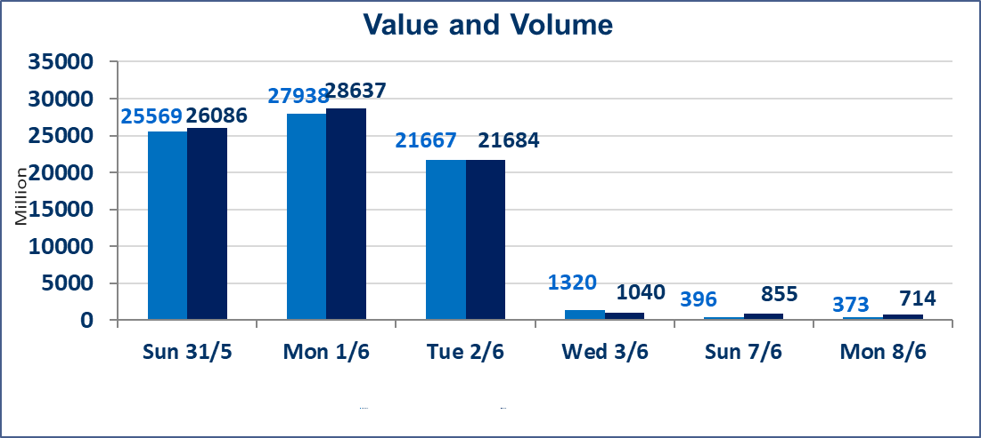
 | ISX Index 60 |  |  | 944.69 | ISX Index 15 |  |  | 1217.26
 | Previous ISX Index60 |  |  | 944.06 | Previous ISX Index15 |  |  | 1208.52
 | Change % |  |  | 0.07 | Change % |  |  | 0.72
 | Change |  |  | 0.63 | Change |  |  | 8.74

 | Listed Companies | 103 | OTC | 14 | Non Traded listed | 45 | OTC | 13
 | Traded Listed Companies | 41 | OTC | 1 | Higher Companies |  |  | 14
 | GAM Companies |  |  | 6 | Lower Companies |  |  | 12
 | Suspended Companies |  |  | 11
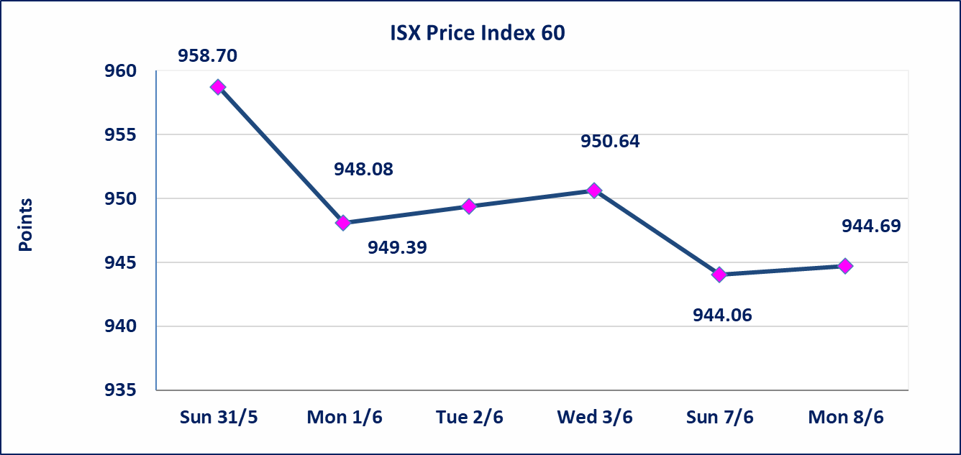
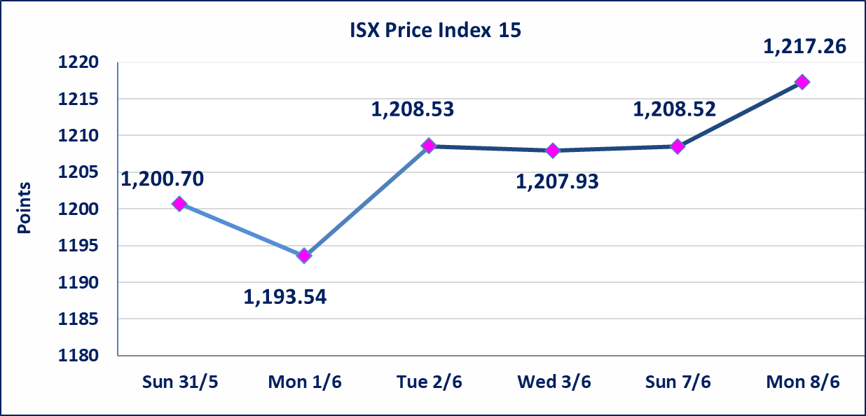

Al-Alwiya P.O . 3607 Mobile: 07711211522 - 07270094594 - 07834000034 E-mail: info-isx@isx-iq.net Web site:www.isx-iq.net

Top 5
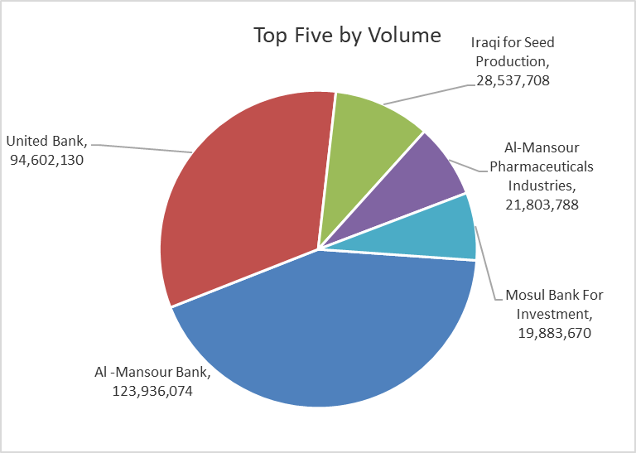
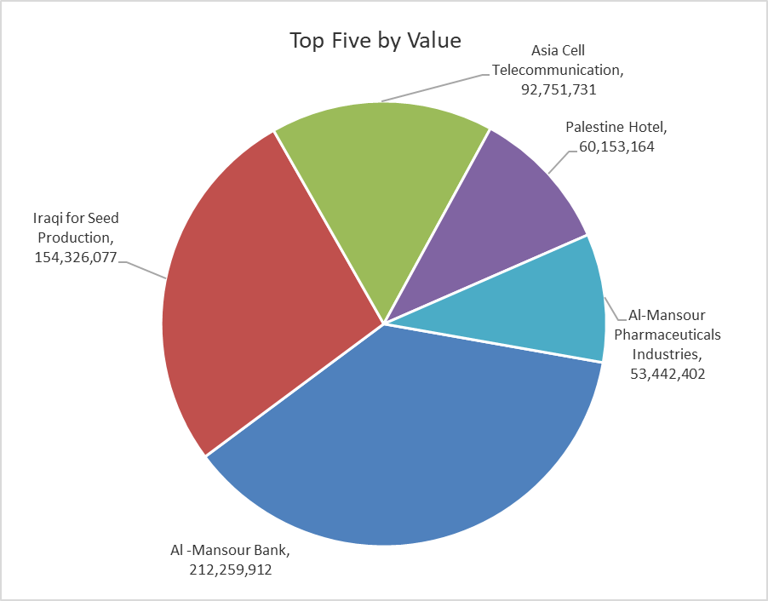

ISX top ganing and losing companies
Monday 8/6/2026
 | Gainers |  |  |  | Losers
 | Company Name | Closing Price | Change (%) | Traded Volume | Company Name | Closing Price | Change (%) | Traded Volume
 | Mosul Bank For Investment | 0.140 | 7.69 | 19,883,670 | Middle East Bank | 0.080 | -11.11 | 5,997,441
 | Iraqi for Seed Production | 5.550 | 5.71 | 28,537,708 | Al-Taif Islamic Bank | 0.570 | -9.52 | 1,236,383
 | Credit Bank Of Iraq | 0.600 | 3.45 | 1,000,000 | Babil Animal & Vegetable Production | 10.000 | -7.41 | 34,954
 | Al-Mosul for funfairs | 7.200 | 2.86 | 50,340 | Iraqi Engineering Works | 5.600 | -7.28 | 88,875
 | Iraqi For Tufted Carpets | 19.990 | 2.51 | 466,593 | Gulf Commercial Bank | 0.360 | -2.70 | 2,822,337
 | The most active companies in term of traded volume and value

 | Traded Volume |  |  |  | Traded Value
 | Company Name | Closing Price | Change (%) | Traded Volume | Company Name | Closing Price | Change (%) | Traded Value
 | Al -Mansour Bank | 1.710 | 0.00 | 123,936,074 | Al -Mansour Bank | 1.710 | 0.00 | 212,259,912
 | United Bank | 0.050 | 0.00 | 94,602,130 | Iraqi for Seed Production | 5.550 | 5.71 | 154,326,077
 | Iraqi for Seed Production | 5.550 | 5.71 | 28,537,708 | Asia Cell Telecommunication | 16.300 | 2.13 | 92,751,731
 | Al-Mansour Pharmaceuticals Industries | 2.450 | -0.41 | 21,803,788 | Palestine Hotel | 18.640 | 0.70 | 60,153,164
 | Mosul Bank For Investment | 0.140 | 7.69 | 19,883,670 | Al-Mansour Pharmaceuticals Industries | 2.450 | -0.41 | 53,442,402

Non Iraqis

Iraq Stock Exchange
Non Iraqis' Bulletin Monday Jun 8 2026
Regular Market

Non Iraqi Trading of Regular Market (Buy)
Company Names | Code | No.of trades | Traded Shares | Trading Volume
Banks Sector
Bank Of Baghdad | BBOB | 4 | 76,614 | 199,963
Total Bank sector |  | 4 | 76,614 | 199,963
Grand Total |  | 4 | 76,614 | 199,963

Undisclosed Platform Companies Bulletin (Sell)
Company Names | Code | No.of trades | Traded Shares | Trading Volume
Agricultural Sector
Iraqi for Seed Production | AISP | 2 | 500,000 | 2,750,000
Total Agricultural Sector |  | 2 | 500,000 | 2,750,000
Grand Total |  | 2 | 500,000 | 2,750,000

Not Trading Bonds

Iraq Stock Exchange
Monday 8/6/2026
Not Trading Bonds Bulletin
Bond type | Publish type | Code | last trading price | immortilize date
Banaa Bonds /Million ID | Second | CB20 | 964,981 | 19/12/2025
Eamar Bonds /Million ID | First | CB30 | 1,001,095 | ــــــــــــــــ
Eamar Bonds /Million ID | Second | CB40 | ــــــــــــــــ | ــــــــــــــــ
Eamar Bonds /500 Thousand ID | Third | CB45 | ــــــــــــــــ | ــــــــــــــــ
Eamar Bonds /Million ID | Third | CB50 | ــــــــــــــــ | ــــــــــــــــ
Injaz Bonds /500 Thousand ID | First | CB55 | ــــــــــــــــ | ــــــــــــــــ
Injaz Bonds /Million ID | First | CB60 | 951,110 | ــــــــــــــــ
Injaz Bonds /500 Thousand ID | Second | CB65 | 511,000
Injaz Bonds /Million ID | Second | CB70 | 965,050 | ــــــــــــــــ
Injaz Bonds /500 Thousand ID | Third | CB75 | ــــــــــــــــ | ــــــــــــــــ
Injaz Bonds /Million ID | Third | CB80 | 978,182 | ــــــــــــــــ
National Bonds/Million ID | First | CB90 | ــــــــــــــــ | ــــــــــــــــ
National Bonds/500 Thousand ID | Second | CB95 | ــــــــــــــــ | ــــــــــــــــ
National Bonds/Million ID | Second | CB100 | ــــــــــــــــ | ــــــــــــــــ

